List of Resources
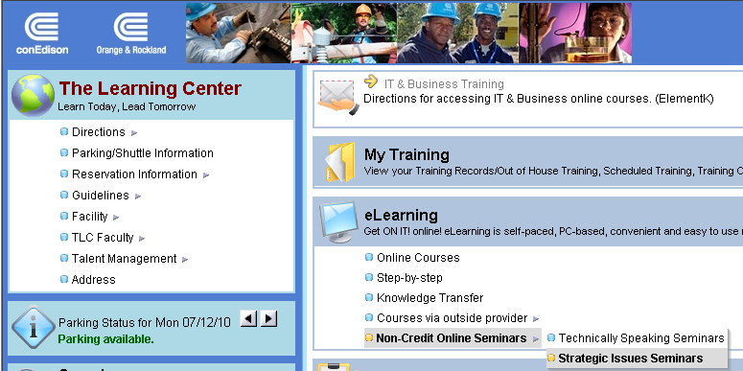
Useful Contacts and Links

Important Note
While most requests for telephone and computer serivce must be made via the appropriate form on the Company's Intranet Site,
the following contacts may be helpful in determining if a form needs to be filled out and which one must be submitted

Corporate Contacts |  | Function

Mark Cooper-Bey |  | Voicemail/Phone IT
Dominick Giordano |  | Payroll
Hilton Cancel |  | IT
Laetitia Munro |  | Con Edison CSS

Electronic Sources

Information About the Company | ** If link does not work, then copy and paste below into internet address location.

Con Edison Intranet Site | http://ceintranet/Pages/default.aspx | The Company site from which you can access a wealth of information about the Company,
Con Edison Document Center | http://www.coned.com/documents/ | Contains a variety of publicly available financial, sales and other Con Edison data
Con Edison 2015 Annual Report | http://nasdaqomx.mobular.net/nasdaqomx/7/3504/5003/ | Contains annual financial information about the Company and some highlights of that year
eContact (EPIC): Employee Information System | https://intapps3.coned.com/EPIC/webform1.aspx | Alternate Contact information for employees/Emergency Assignment Information

For You:

HR Website | http://ceintranet/HR/Pages/default.aspx | Human Resources Website
HR Payroll System | https://hrpayroll.coned.com/psp/HR92PRD/?cmd=login&languageCd=ENG | Your paystub is available through this link on the Company's intranet site. This is also where you enter your timesheet and chose your benefits during open enrollment
Tuition Aid | http://ceintranet/HR/Education/TuitionAid/Pages/default.aspx | Furthering your education
Holiday Schedule | http://ceintranet/HR/EmployeeBenefits/Documents/Holiday%20Schedule/2016%20HOLIDAY%20SCHEDULE.pdf?utm_source=Hotsites&utm_medium=Holiday Schedule 2016&utm_content=Holiday Schedule 2016&utm_campaign=Hotsites-Usage | A listing of holidays and dates for the Current year
Culture Card | http://ceintranet/corpaffairs/CultureCard/Pages/default.aspx?utm_source=Hotsites&utm_medium=Culture Site&utm_content=Culture Site&utm_campaign=Hotsites-Usage | See where employees get discounts and free admission (museums, zoos etc.)
Corporate Discounts | http://ceintranet/ConEdisonAndYou/Pages/corp_discounts.aspx | Learn about discounts Con Edison employees get at major retailers
Management Job Opportunities | https://intapps2.coned.com/mjl/default.htm | The Management Job Opportunites Listing (MJOL) lists all management jobs currently available
Sports and Clubs | http://ceintranet/ConEdisonAndYou/Documents/SportsTLC.pdf | Sports and Clubs at Con Edison
Volunteering Website | https://coned.angelpointsevs.com/handlers/home.aph?1473803447838 | Volunteering at Con Edison
Scholarship Program | http://ceintranet/HR/Education/Pages/scholarshipProgram.aspx | Con Edison Scholarship Program
Benefits | http://ceintranet/HR/EmployeeBenefits/Pages/default.aspx | Information on health, dental, 401 k, stock purchase plan
Finance Intranet Site | http://ceorg/sites/finance/Pages/home.aspx | Finance Organization's Intranet Site which includes information on its different departments and new Finance Annoucements.
Rate Engineering Intranet Site | http://ceorg/sites/Finance/SiteDirectory/RateEng/default.aspx | Rate Engineering's Intranet Site which includes information on its filing and has assorted bill comparisons
Family | http://ceintranet/HR/Family/Pages/default.aspx | Con Edison assistance with life events
Self Service | http://ceintranet/HR/SelfService/Pages/default.aspx | Con ed discounts, HR/ Payroll System, Internal Job Listings, Tuition Aid
Talent Mangement | http://ceintranet/HR/TalentManagement/Pages/default.aspx | Information on leadership courses, mentoring program, and performance manager
Employee Photo System | http://intapps3.coned.com/digitalid#/home | The Con Edison Photo system allows for a photo look-up of Con Edison employees, contractors, the Competitive Businesses, and O&R employees by last name of employee or ID #.
Sick Absence Informaton | http://ceintranet/HR/Work/Pages/sickAbsence.aspx | What to do if your out sick (read before hand to obtain sick-line number)

The Learning Center website | http://intapps3.coned.com/LCPortal/Home/Home.aspx | Access required and optional training courses
 |  |  | http://intapps7.coned.com/LCPortal/Home/Home.aspx

